Sheet1
 | Slatwall hook | Pegboard hook | Tube hook | Grip net hook
 |  |  |  | Bow hook | Long strip hook
Single line | CB-DX-01 | DB-DX-01 | FG-DX-01 | WJ-SG-DX-01 | WJ-DG-DX-01
 | clip size：25*76/30*80/38*80mm clip thickness：1.5/2/2.5mm lenth：50/100/150/200/250/300/350/400mm diameter：5/5.5/5.8/6/6.8/7/8mm surface handling ：chrome/nickel/zinc/powder coated packing：ø6Below200pcs/CTN | distance：25.4/32/45/50mm pegboard thickness：1/3/5/8/10mm lenth：50/100/150/200/250/300/350/400mm diameter：3/4/5/6/8mm surface handling ：chrome/nickel/zinc/powder coated packing：ø6Belowpcs200/CTN | clip size：29*38*20/38*38*20mm clip thickness：2mm tube thickness：15/20/25mm lenth：50/100/150/200/250/300/350/400mm diameter：5/5.5/5.8/6/6.8/7/8mm surface handling ：chrome/nickel/zinc/powder coated packing：ø6Below200pcs/CTN | net size：80*80mm with Clip thickness：1.5/2mm Clip size：25*83mm Lenth：50/100/150/200/250/300/350/400mm diameter：5/5.5/5.8/6/6.8/7/8mm surface handling ：chrome/nickel/zinc/powder coated packing：ø6Below200pcs/CTN | net size：60*60mm with Clip thickness：1.5/2mm Clip size：25*68/25*80mm Lenth：50/100/150/200/250/300/350/400mm diameter：5/5.5/5.8/6/6.8/7/8mm surface handling ：chrome/nickel/zinc/powder coated packing：ø6Below200pcs/CTN
 | 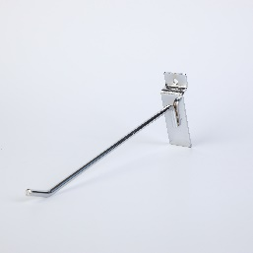 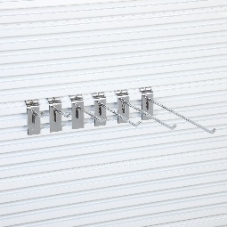 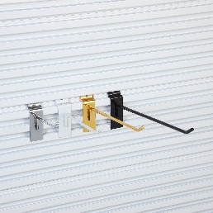 | 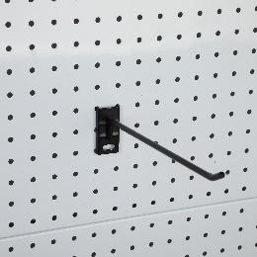 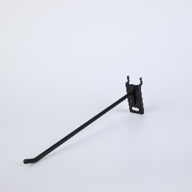 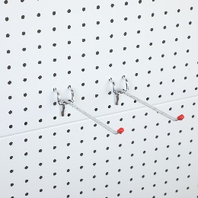 | 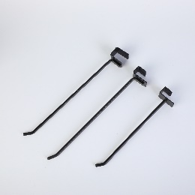 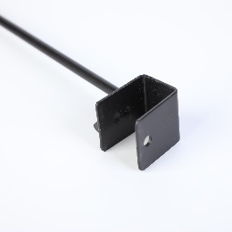 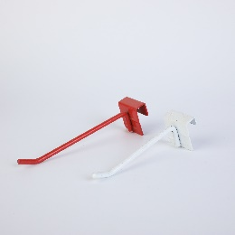 | 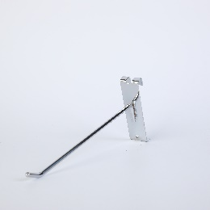 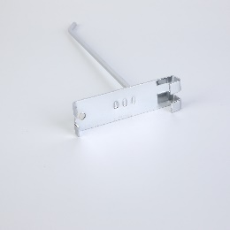 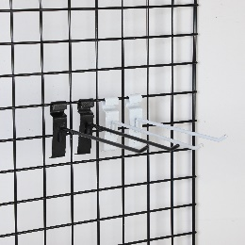 | 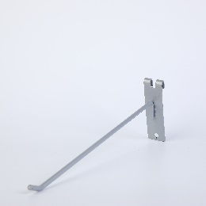 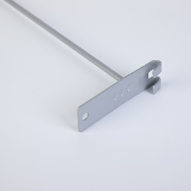 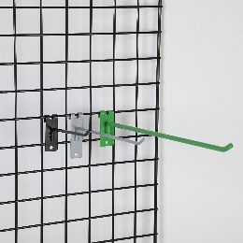
Doubel line with price tag | CB-SX-01 | DB-SX-01 | FG-SX-01 | WJ-SG-SX-01 | WJ-DG-SX-01
 | clip size：25*76/30*80/38*80mm clip thickness：1.5/2/2.5mm up line length：100/150/200/250/300mm down line length：80/130/180/230/280mm diameter：5/5.5/5.8/6/6.8/7/8mm price tag：60*40/80*40mm surface handling ：chrome/nickel/zinc/powder coated packing：ø6Below100pcs/CTN | distance：25.4/32/45/50mm pegboard thickness：1/3/5/8/10mm up line length：100/150/200/250/300mm down line length：80/130/180/230/280mm diameter：3/4/5/6/8mm price tag：60*40/80*40mm surface handling ：chrome/nickel/zinc/powder coated packing：ø6Below100pcs/CTN | clip size：29*38*20/38*38*20mm clip thickness：2mm tube thickness：15/20/25mm up line length：100/150/200/250/300mm down line length：80/130/180/230/280mm diameter：5/5.5/5.8/6/6.8/7/8mm price tag：60*40/80*40mm surface handling ：chrome/nickel/zinc/powder coated packing：ø6Below100pcs/CTN | net size：80*80mm with clip thickness：1.5/2mm clip size：25*83mm up line length：100/150/200/250/300mm down line length：80/130/180/230/280mm diameter：5/5.5/5.8/6/6.8/7/8mm price tag：60*40/80*40mm surface handling ：chrome/nickel/zinc/powder coated packing：ø6Below100pcs/CTN | net size：60*60mm with clip thickness：1.5/2mm clip size：25*68/25*80mm up line length：100/150/200/250/300mm down line length：80/130/180/230/280mm diameter：5/5.5/5.8/6/6.8/7/8mm price tag：60*40/80*40mm surface handling ：chrome/nickel/zinc/powder coated packing：ø6Below100pcs/CTN
 | 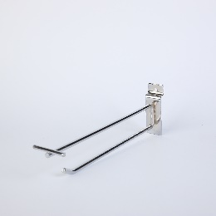 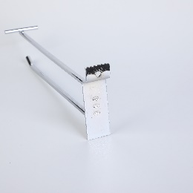 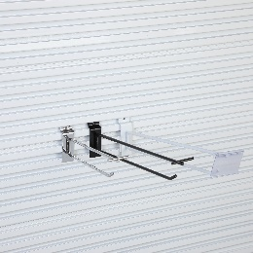 | 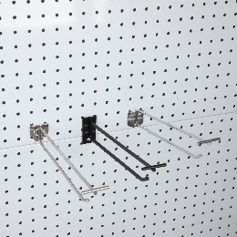 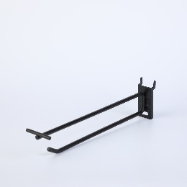 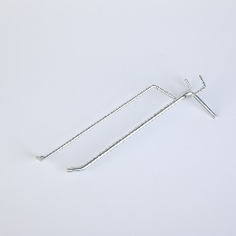 | 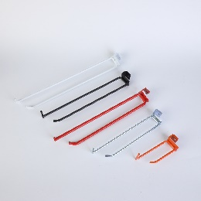 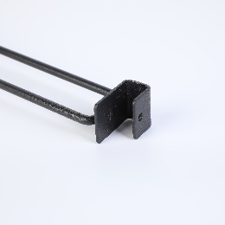 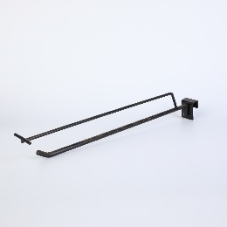 | 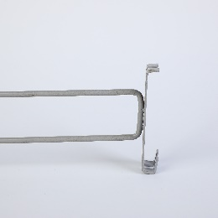 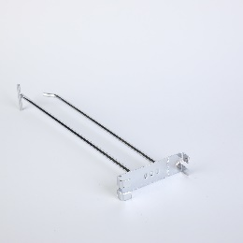 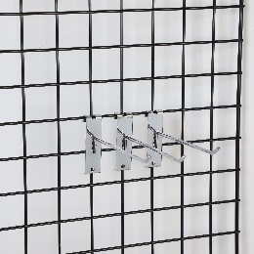 | 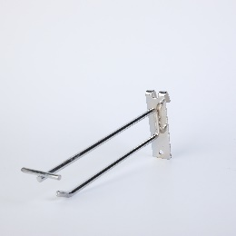 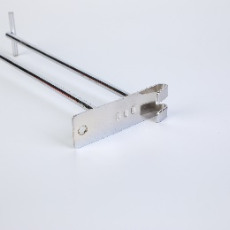 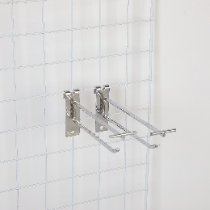
Doubel line with metal price tag | CB-SX-02 | DB-SX-02 | FG-SX-02 | WJ-SG-SX-02 | WJ-DG-SX-02
 | clip size：25*76/30*80/38*80mm clip thickness：1.5/2/2.5mm up line length：100/150/200/250/300mm down line length：80/130/180/230/280mm diameter：5/5.5/5.8/6/6.8/7/8mm metal price tag：75*25/54*25mm surface handling ：chrome/nickel/zinc/powder coated packing：ø6Below100pcs/CTN | distance：25.4/32/45/50mm pegboard thickness：1/3/5/8/10mm up line length：100/150/200/250/300mm down line length：80/130/180/230/280mm diameter：3/4/5/6/8mm metal price tag：75*25/54*25mm surface handling ：chrome/nickel/zinc/powder coated packing：ø6Below100pcs/CTN | clip size*后高：29*38*20/38*38*20mm clip thickness：2mm tube thickness：15/20/25mm up line length：100/150/200/250/300mm down line length：80/130/180/230/280mm diameter：5/5.5/5.8/6/6.8/7/8mm metal price tag：75*25/54*25mm surface handling ：chrome/nickel/zinc/powder coated packing：ø6Below100pcs/CTN | net size：80*80mm with clip thickness：1.5/2mm clip size：25*83mm up line length：100/150/200/250/300mm down line length：80/130/180/230/280mm diameter：5/5.5/5.8/6/6.8/7/8mm metal price tag：75*25/54*25mm surface handling ：chrome/nickel/zinc/powder coated packing：ø6Below100pcs/CTN | net size：60*60mm with clip thickness：1.5/2mm clip size：25*68/25*80mm up line length：100/150/200/250/300mm down line length：80/130/180/230/280mm diameter：5/5.5/5.8/6/6.8/7/8mm metal price tag：75*25/54*25mm surface handling ：chrome/nickel/zinc/powder coated packing：ø6Below100pcs/CTN
 | 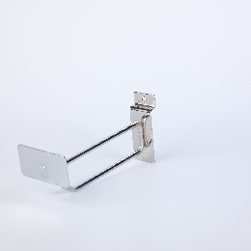 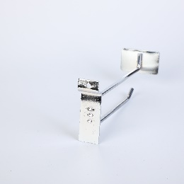 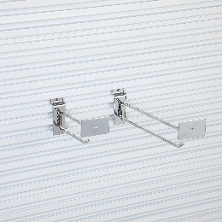 | 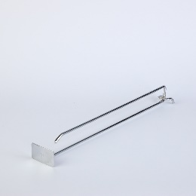 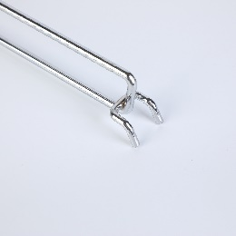 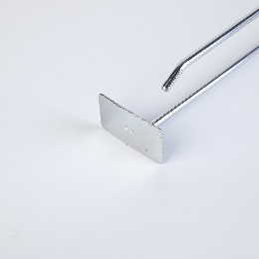 | 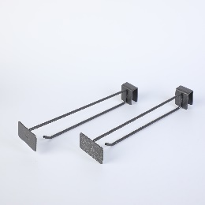 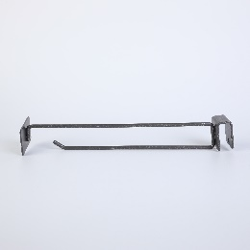 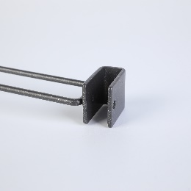 | 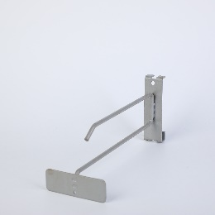 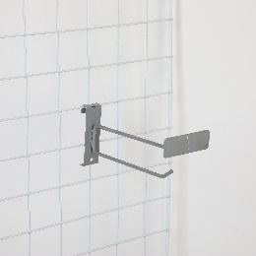 | 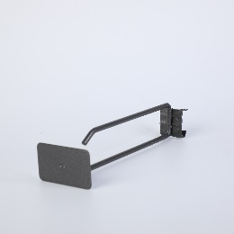
U line | CB-UX-01 | DB-UX-01 | FG-UX-01 | WJ-SG-UX-01 | WJ-DG-UX-01
 | clip size：29*75mm clip thickness：1.5/2mm Lenth：50/100/150/200/250/300/350/400mm diameter：4/5/6mm head shape：Square/round surface handling ：chrome/nickel/zinc/powder coated packing：ø6Below100pcs/CTN | distance：25.4/32/45/50mm pegboard thickness：1/3/5/8/10mm Lenth：50/100/150/200/250/300/350/400mm diameter：3/4/5/6mm surface handling ：chrome/nickel/zinc/powder coated packing：ø6Below100pcs/CTN | clip size：29*38*20/38*38*20mm clip thickness：2mm tube thickness：15/20/25mm Lenth：50/100/150/200/250/300/350/400mm diameter：4/5/6mm head shape：Square/round surface handling ：chrome/nickel/zinc/powder coated packing：ø6Below100pcs/CTN | net size：80*80mm with clip thickness：1.5/2mm clip size：25*83mm Lenth：50/100/150/200/250/300/350/400mm diameter：4/5/6mm head shape：Square/round surface handling ：chrome/nickel/zinc/powder coated packing：ø6Below100pcs/CTN | net size：60*60mm with clip thickness：1.5/2mm clip size：25*68/25*80mm Lenth：50/100/150/200/250/300/350/400mm diameter：4/5/6mm head shape：Square/round surface handling ：chrome/nickel/zinc/powder coated packing：ø6Below100pcs/CTN
 | 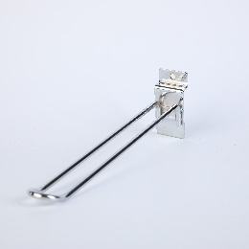 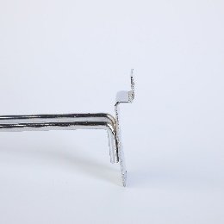 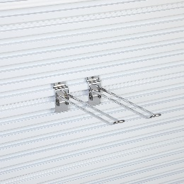 | 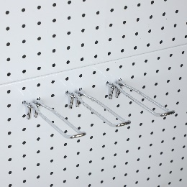 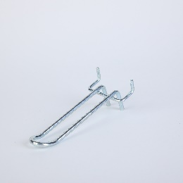 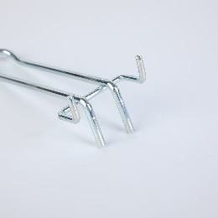 |  |  | 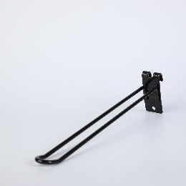 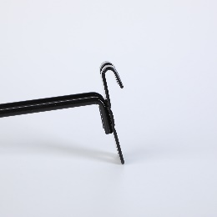 
U tri-line with price tag | CB-USX-01 | DB-USX-01 | FG-USX-01 | WJ-SG-USX-01 | WJ-DG-USX-01
 | clip size：25*76/30*80/38*80mm clip thickness：1.5/2/2.5mm up line length：100/150/200/250/300mm U length：80/130/180/230/280mm diameter：4/5/6mm head shape：Square/round price tag：60*40/80*40mm surface handling ：chrome/nickel/zinc/powder coated packing：ø6Below100pcs/CTN | distance：25.4/32/45/50mm pegboard thickness：1/3/5/8/10mm up line length：100/150/200/250/300mm U length：80/130/180/230/280mm diameter：3/4/5/6mm head shape：Square/round surface handling ：chrome/nickel/zinc/powder coated packing：ø6Below100pcs/CTN | clip size：29*38*20/38*38*20mm clip thickness：2mm tube thickness：15/20/25mm up line length：100/150/200/250/300mm U length：80/130/180/230/280mm diameter：4/5/6mm head shape：Square/round price tag：60*40/80*40mm surface handling ：chrome/nickel/zinc/powder coated packing：ø6Below100pcs/CTN | net size：80*80mm with clip thickness：1.5/2mm clip size：25*83mm up line length：100/150/200/250/300mm U length：80/130/180/230/280mm diameter：4/5/6mm head shape：Square/round price tag：60*40/80*40mm surface handling ：chrome/nickel/zinc/powder coated packing：ø6Below100pcs/CTN | net size：60*60mm with clip thickness：1.5/2mm clip size：25*68/25*80mm up line length：100/150/200/250/300mm U length：80/130/180/230/280mm diameter：4/5/6mm head shape：Square/round price tag：60*40/80*40mm surface handling ：chrome/nickel/zinc/powder coated packing：ø6Below100pcs/CTN
 |   |    |    |  |   
U tri-line with metal price tag | CB-USX-02 | DB-USX-02 | FG-USX-02 | WJ-SG-USX-02 | WJ-DG-USX-02
 | clip size：25*76/30*80/38*80mm clip thickness：1.5/2/2.5mm up line length：100/150/200/250/300mm U length：80/130/180/230/280mm diameter：4/5/6mm head shape：Square/round metal price tag：75*25/54*32mm surface handling ：chrome/nickel/zinc/powder coated packing：ø6Below100pcs/CTN | distance：25.4/32/45/50mm pegboard thickness：1/3/5/8/10mm up line length：100/150/200/250/300mm U length：80/130/180/230/280mm diameter：3/4/5/6mm head shape：Square/round surface handling ：chrome/nickel/zinc/powder coated packing：ø6Below100pcs/CTN | clip size：29*38*20/38*38*20mm clip thickness：2mm tube thickness：15/20/25mm up line length：100/150/200/250/300mm U length：80/130/180/230/280mm diameter：4/5/6mm head shape：Square/round metal price tag：75*25/54*32mm surface handling ：chrome/nickel/zinc/powder coated packing：ø6Below100pcs/CTN | net size：80*80mm with clip thickness：1.5/2mm clip size：25*83mm up line length：100/150/200/250/300mm U length：80/130/180/230/280mm diameter：4/5/6mm head shape：Square/round metal price tag：75*25/54*32mm surface handling ：chrome/nickel/zinc/powder coated packing：ø6Below100pcs/CTN | net size：60*60mm with clip thickness：1.5/2mm clip size：25*68/25*80mm up line length：100/150/200/250/300mm U length：80/130/180/230/280mm diameter：4/5/6mm head shape：Square/round metal price tag：75*25/54*32mm surface handling ：chrome/nickel/zinc/powder coated packing：ø6Below100pcs/CTN
 |   
Ball hook | CB-DZ-01 | DB-DZ-01 | FG-DZ-01 | WJ-SG-DZ-01 | WJ-DG-DZ-01
 | clip size：25*76/30*80/38*80mm clip thickness：1.5/2/2.5mm length：20/25/30/35mm diameter：8mm balls：4/5/6/7pcs surface handling：chrome/nickel/zinc/powder coated packing：ø6below200pcs/CTN | distance：25.4/32/45/50mm Pegboard thickness：1/3/5/8/10mm length：20/25/30/35mm diameter：8mm balls：4/5/6/7pcs surface handling：chrome/nickel/zinc/powder coated packing：ø6below200pcs/CTN | clip size：29*38*20/38*38*20mm clip thickness：2mm thickness：15/20/25mm length：20/25/30/35mm diameter：8mm balls：4/5/6/7pcs surface handling：chrome/nickel/zinc/powder coated packing：ø6below200pcs/CTN | net size：80*80mm内 clip thickness：1.5/2mm clip size：25*83mm length：20/25/30/35mm diameter：8mm balls：4/5/6/7pcs surface handling：chrome/nickel/zinc/powder coated packing：ø6below200pcs/CTN | net size：60*60mm内 clip thickness：1.5/2mm clip size：25*68/25*80mm length：20/25/30/35mm diameter：7mm balls：4/5/6/7pcs surface handling：chrome/nickel/zinc/powder coated packing：ø6below200pcs/CTN
 |    |  |    |  |   

Others | Stand | Hat HOOK | Shoe hook | EYE glass hook | Towel hook
 | ZS-TX-01 | ZS-MZ-01 | ZS-XZ-01 | ZS-YJ-01 | ZS-MJ-01
 | height：600/900mm feet size：250*3000mm diameter：7/8mm MOQ：1000 | diameter：4/6mm MOQ：1000 | diameter：5.5mm sheet thickness：1mm MOQ：1000 | length：200mm diameter：3mm MOQ：1000 | distance：25/50mm diameter：4/5/6mm MOQ：1000
 |   |  |    |    | 
Others | Ball hook | Tool hook | Razor hook | Promotion basket | Wave hook
 | ZS-YQ-01 | ZS-DD-01 | ZS-TX-01 | ZS-YF-01 | ZS-BL-01
 | diameter：140mm diameter：5/6mm MOQ：3000 | diameter：5.8mm MOQ：3000 | diameter：5/6mm MOQ：3000 | size：800*520*700 MOQ：3 | length：200mm diameter：5mm MOQ：3000
 |    |   |   |    |   

